Guidelines & Definitions
23. concession round All excel forms requested for applications and company information have now been gathered in the excel workbooks designated ”ApplicationData”, ”ProspectData” and ”CompanyInformation”. The forms will no longer be delivered separately, but gathered in the above-mentioned workbooks. This, in addition to the modifications made in the actual tables (described below), has been done to remove ambiguities in the forms and improve registration routines in connection with rounds. Some of the tables have a new location and number. Permitted intervals have been defined for some of the requested input information. An error message will appear if the value falls outside the permitted intervals. Accepted intervals have been specified in the headlines for each column. All excel forms exist only in English versions. The forms can be filled both in Norwegian or English as long as there is no options in pull-down menus.
1-Application summary The applied blocks must be picked from dropdown list. One block name in each cell. Please be aware that all blocks in the round is found in the dropdown list, including those that are licensed. It is up to the applicant to verify that the applied area is available. Under «Participants», the participants in the application must select their names from a predefined list (pull-down menu). If the company name is not on the list, the company must go to the last tab «LegalCompanyNames» in the excel document and replace one of the **MissingCompanyLongName1-9 with its company name, which will then become available in the pull-down menu

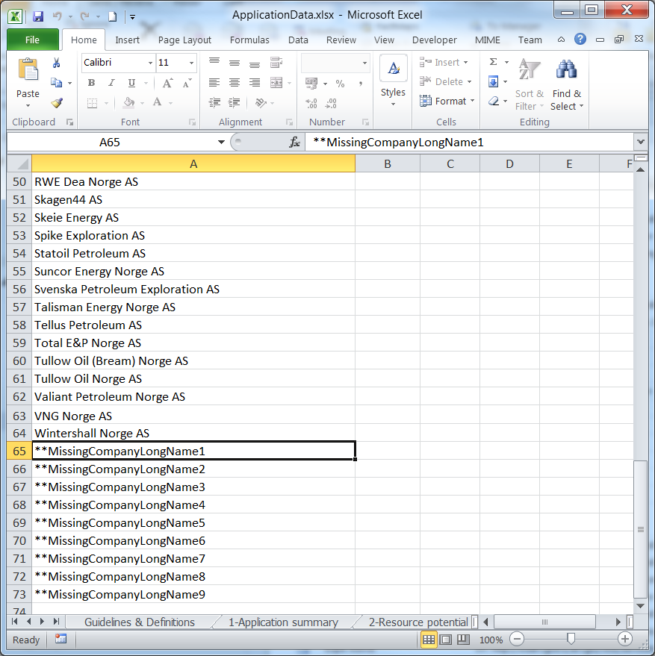

Under «O, P, O/P», the participants in the application must choose from these three alternatives in the list. Note that O/P indicates that the company has no strong preferences as regards operatorship or partnership role. Under «Participation share [%]», the companies must indicate the size of their primary preferred participating interest, as well as an upper and lower limit acceptable to the applicant in an interval between 0.00001 and 100%. The ownership interests must be consistent with the interests stated in the application letter from each company. No lower and upper percentages are indicated for additional acreage, as it is assumed that they coincide with the interests in the parent licence.

How to Insert or Delete a Participant: 1. Select an empty participant row (row 9 in the example below) 2. Right-click it and select “Insert” or “Delete” from the menu
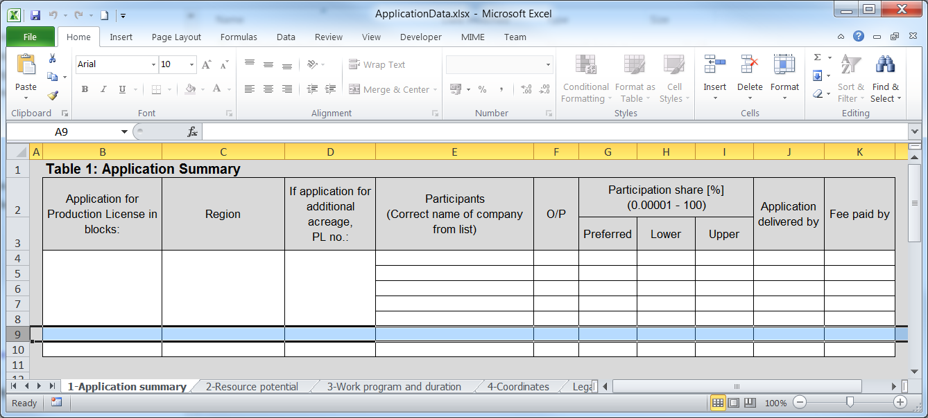

2-Resource potential For each discovery/prospect or lead, up to three hydrocarbon cases can be listed: oil, gas or oil/gas, in column D next to the specific discovery/prospect/lead. For unrisked, recoverable reserves, the high and low estimate must be indicated with P10 and P90, "mean" is used to indicate a base estimate. Where more than one case is indicated, each case must have a separate prospect sheet in the ”ProspectData” excel workbook for this purpose.

How to Insert a Discovery/Prospect/Lead: 1. Select an empty Discovery/Prospect/Lead row (rows 11 – 13 in the example below) 2. Right-click and select “Copy” from the menu 3. Select the first row in the next Discovery/Prospect/Lead (row 14 in the example below) 4. Right-click it and select “Insert Copied Cells” from the menu How to Delete a Discovery/Prospect/Lead: 1. Select an empty Discovery/Prospect/Lead row (rows 11 – 13 in the example below) 2. Right-click and select “Delete” from the menu
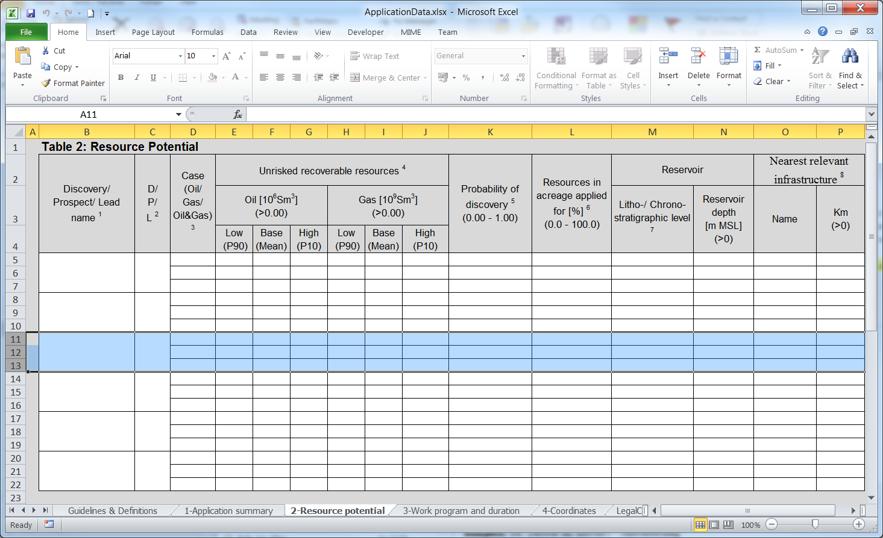
How to Insert a Case: 1. Select an empty Case row (row 13 in the example below) 2. Right-click and select “Insert” from the menu How to Delete a Case: 1. Select an empty Case (row 13 in the example below) 2. Right-click and select “Delete” from the menu
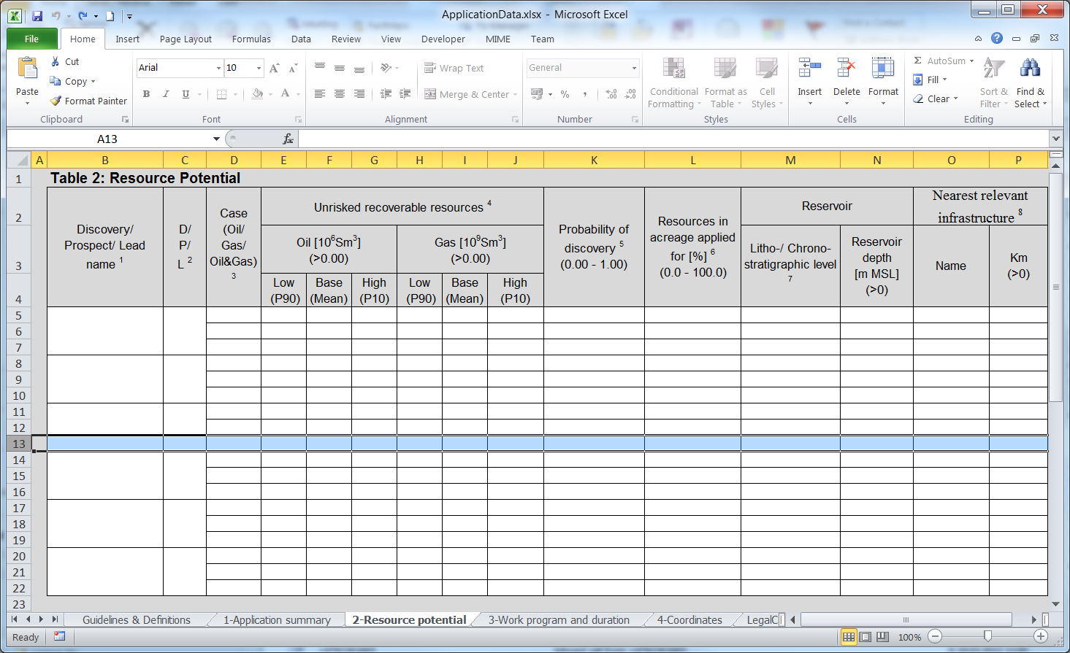

3-Work program and duration A new row can be created if necessary for more phases than the five that have been predefined. Where all five phases are not required, superfluous rows can be left empty or deleted. Applicants are not restricted to the proposed standard formulations given below in the form, and can propose own work programs and decision milestones.

How to Insert a Phase: 1. Select an empty Phase row (row 7 in the example below) 2. Right-click and select “Insert” from the menu How to Delete a Phase: 1. Select an empty Phase (row 7 in the example below) 2. Right-click and select “Delete” from the menu
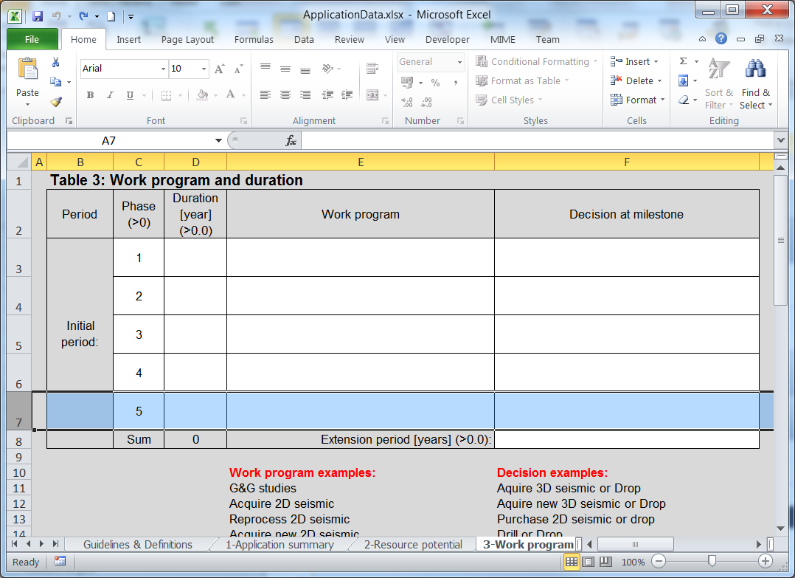

4-Coordinates The corner coordinates for the area applied for must be stated in the ”4-Coordinates” sheet in the excel workbook ApplicationData. Coordinates must be stated in degrees, minutes and seconds in accordance with the rules in Chapter 3, Section 15, subsection 3, last sentence of the Petroleum Regulations. All coordinates must be given with datum ED 50.

How to insert a Polygon: 1 Select empty Polygon row (rows 15 – 26 in example below) 2 Right-click it and select “Copy” from the menu 3 Select the first row in the next Polygon (row 27 in the example below) 4 Right-click it and select “Insert Copied Cells” from the menu How to delete a Polygon: 1 Select the Polygon row (rows 15 – 26 in example below) 2 Right-click it and select “Delete” from the menu
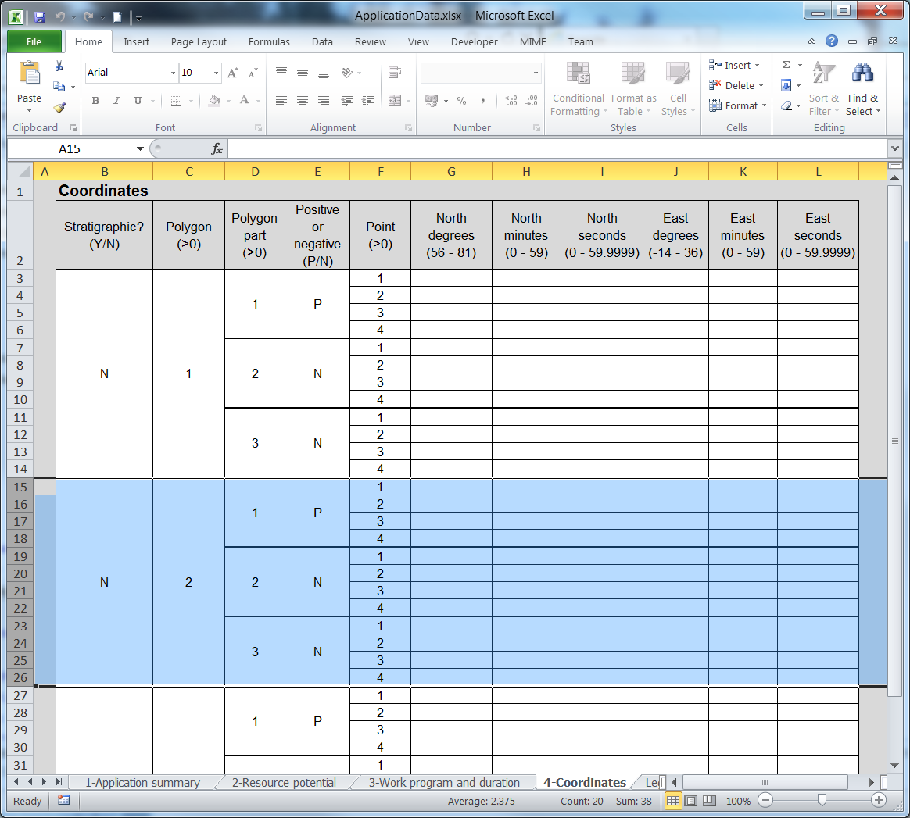

How to insert a Polygon part: 1 Select empty Polygon part row (rows 23 – 26 in example below) 2 Right-click it and select “Copy” from the menu 3 Select the first row in the next Polygon part (row 27 in the example below) 4 Right-click it and select “Insert Copied Cells” from the menu How to delete a Polygon part: 1 Select the Polygon part row (rows 23 – 26 in example below) 2 Right-click it and select “Delete” from the menu
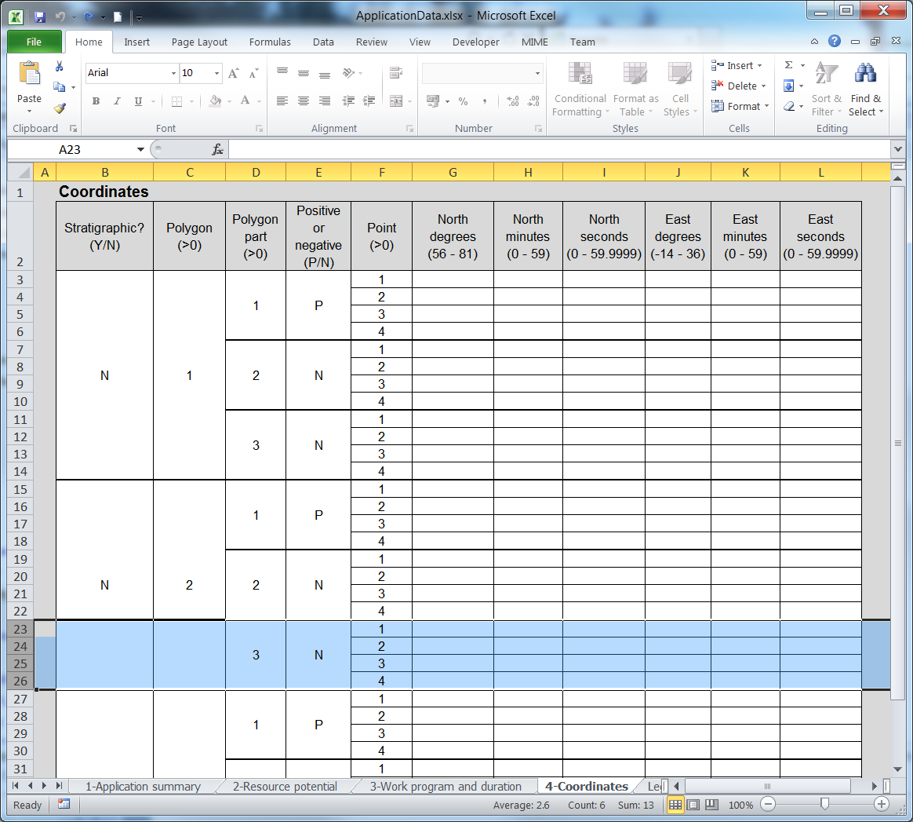

How to insert or delete a Point: 1 Select the Point row (row 26 in the example below) 2 Right-click it and select ‘Insert’ or ‘Delete’ from the menu
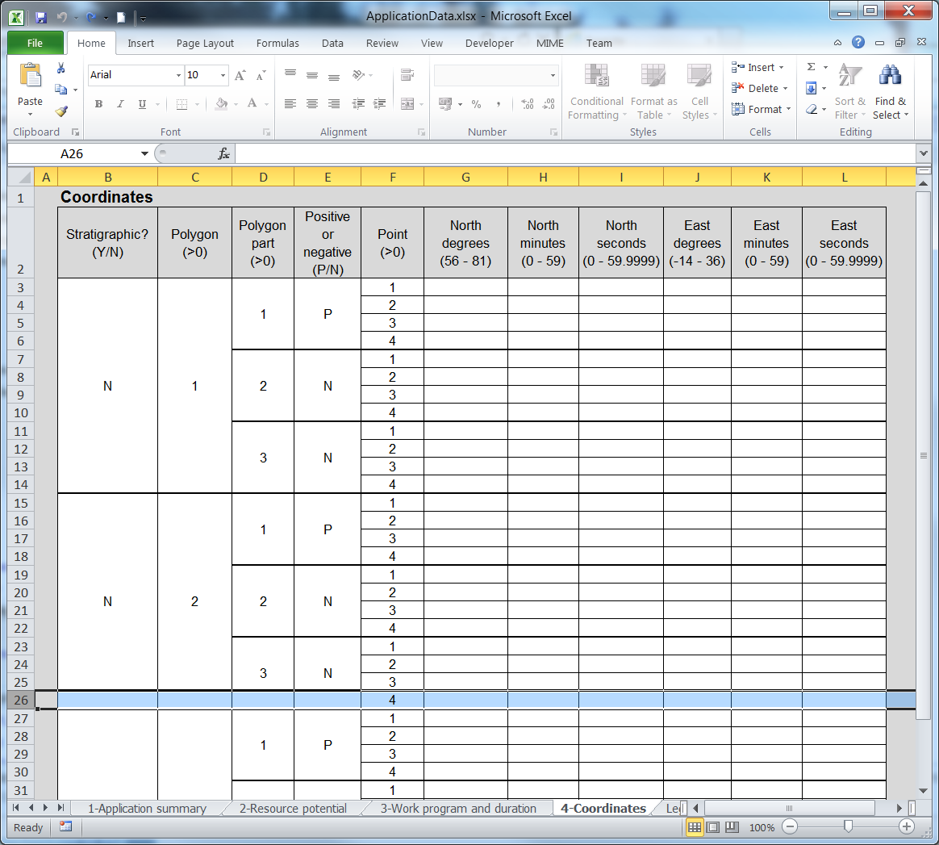

4-Coordinates
Table 4: Coordinates. See example below
Stratigraphic? (No/Yes) | Polygon (>0) | Polygon part (>0) | Positive or negative (P/N) | Point (>0) | North degrees (56 - 81) | North minutes (0 - 59) | North seconds (0 - 59.9999) | East degrees (-14 - 36) | East minutes (0 - 59) | East seconds (0 - 59.9999)
No | 1 | 1 | P | 1
 |  |  |  | 2
 |  |  |  | 3
 |  |  |  | 4
 |  | 2 | N | 1
 |  |  |  | 2
 |  |  |  | 3
 |  |  |  | 4
 |  | 3 | N | 1
 |  |  |  | 2
 |  |  |  | 3
 |  |  |  | 4
No | 2 | 1 | P | 1
 |  |  |  | 2
 |  |  |  | 3
 |  |  |  | 4
 |  | 2 | N | 1
 |  |  |  | 2
 |  |  |  | 3
 |  |  |  | 4
 |  | 3 | N | 1
 |  |  |  | 2
 |  |  |  | 3
 |  |  |  | 4
No | 3 | 1 | P | 1
 |  |  |  | 2
 |  |  |  | 3
 |  |  |  | 4
 |  | 2 | N | 1
 |  |  |  | 2
 |  |  |  | 3
 |  |  |  | 4
 |  | 3 | N | 1
 |  |  |  | 2
 |  |  |  | 3
 |  |  |  | 4
EndOfTable

EXAMPLE

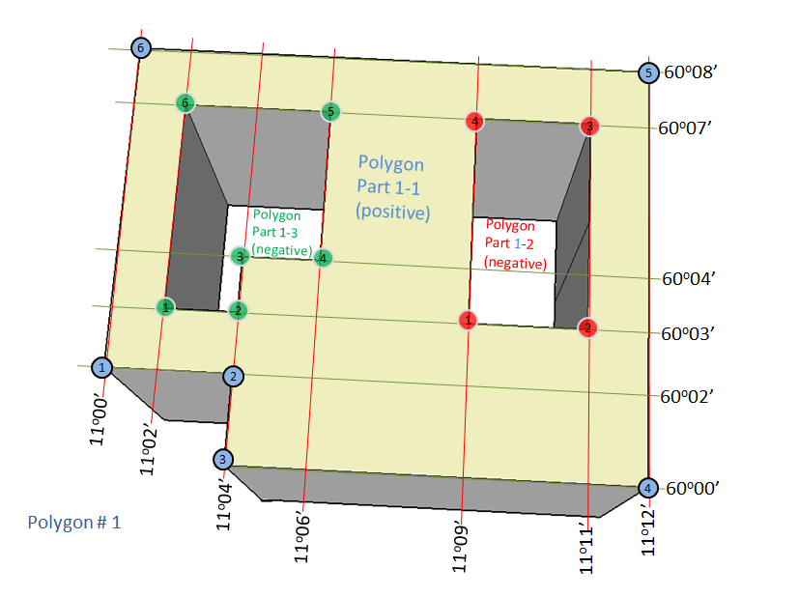
Table 4:Coordinates
Stratigraphic? (No/Yes) | Polygon (>0) | Polygon part (>0) | Positive or negative (P/N) | Point (>0) | North degrees (56 - 81) | North minutes (0 - 59) | North seconds (0 - 59.9999) | East degrees (-14 - 36) | East minutes (0 - 59) | East seconds (0 - 59.9999)
No | 1 | 1 | P | 1 | 60 | 2 | 0.0000 | 11 | 0 | 0.0000
 |  |  |  | 2 | 60 | 2 | 0.0000 | 11 | 4 | 0.0000
 |  |  |  | 3 | 60 | 0 | 0.0000 | 11 | 4 | 0.0000
 |  |  |  | 4 | 60 | 0 | 0.0000 | 11 | 12 | 0.0000
 |  |  |  | 5 | 60 | 8 | 0.0000 | 11 | 12 | 0.0000
 |  |  |  | 6 | 60 | 8 | 0.0000 | 11 | 0 | 0.0000
 |  | 2 | N | 1 | 60 | 3 | 0.0000 | 11 | 9 | 0.0000
 |  |  |  | 2 | 60 | 3 | 0.0000 | 11 | 11 | 0.0000
 |  |  |  | 3 | 60 | 7 | 0.0000 | 11 | 11 | 0.0000
 |  |  |  | 4 | 60 | 7 | 0.0000 | 11 | 9 | 0.0000
 |  | 3 | N | 1 | 60 | 3 | 0.0000 | 11 | 2 | 0.0000
 |  |  |  | 2 | 60 | 3 | 0.0000 | 11 | 4 | 0.0000
 |  |  |  | 3 | 60 | 4 | 0.0000 | 11 | 4 | 0.0000
 |  |  |  | 4 | 60 | 4 | 0.0000 | 11 | 6 | 0.0000
 |  |  |  | 5 | 60 | 7 | 0.0000 | 11 | 6 | 0.0000
 |  |  |  | 6 | 60 | 7 | 0.0000 | 11 | 2 | 0.0000
No | 2 | 1 | P | 1
 |  |  |  | 2
 |  |  |  | 3
 |  |  |  | 4
 |  | 2 | N | 1
 |  |  |  | 2
 |  |  |  | 3
 |  |  |  | 4
 |  | 3 | N | 1
 |  |  |  | 2
 |  |  |  | 3
 |  |  |  | 4

