Guidelines & Definitions
APA 2025 All Excel forms requested for applications and company information have been gathered in the Excel workbooks designated "ApplicationData", "Discovery_and_prospect_data" and "CompanyInformation". The forms will be delivered gathered in the above-mentioned workbooks. Permitted intervals have been defined for some of the requested input information. An error message will appear if the value falls outside the permitted intervals. Accepted intervals have been specified in the headlines for each column. All Excel forms exist only in English versions. The forms can be filled both in Norwegian or English as long as there is no options in pull-down menus.

5-Application list from company ApplicationID shall be used in this form. Applicant companies must contact apa@sodir.no to be sent a list of ApplicationIDs. It is the responsibility of the company submitting the application to distribute the ApplicationID to any partners in the application for use in application letters and other application materials Under "Participants", the participants in the application must select their names from a predefined list (pull-down menu). If the company name is not on the list, the company must go to the tab "LegalCompanyNames" in the Excel document and replace one of the **MissingCompanyLongName1-9 with its company name, which will then become available in the pull-down menu.

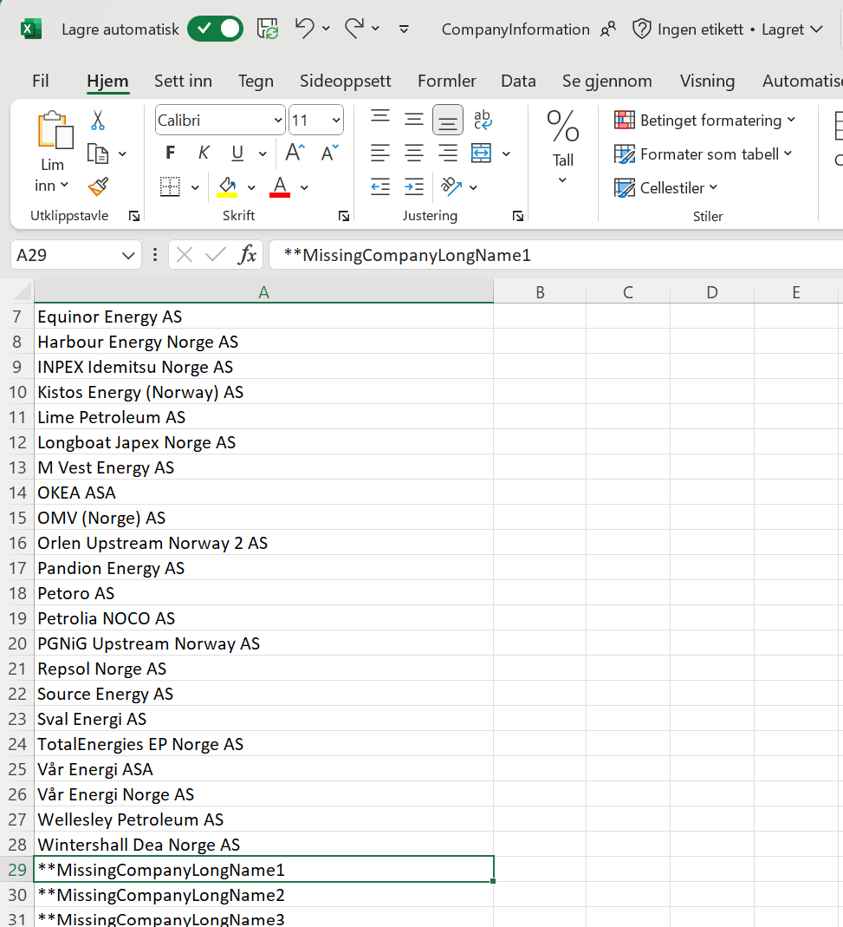
Under "O, P, O/P", the participants in the application must choose from these three alternatives in the list. Note that O/P indicates that the company has no strong preferences as regards operatorship or partnership role. Under "Participation share [%]", the companies must indicate the size of their primary preferred participating interest, as well as an upper and lower limit acceptable to the applicant in an interval between 0.00001 and 100 %. The ownership interests must be consistent with the interests stated in the application letter from each company. No lower and upper percentages are indicated for additional acreage, as it is assumed that they coincide with the interests in the parent licence.

How to insert a new Application: 1. Select an empty Application row (rows 10-14 in the example below) 2. Right-click and select "Copy" from the menu 3. Select the first row in the next Application (row 16 in the example below) 4. Right-click it and select "Insert Copied Cells" from the menu How to delete an empty application: 1. Select the Application row (rows 10-14 in the example below) 2. Right-click and select "Delete" from the menu

How to insert or delete a Participant: 1. Select the Participant row (row 13 in the example below) 2. Right-click it and select "Insert" or "Delete" from the menu

Veiledninger og definisjoner
TFO 2025 Alle Excel-skjemaer etterspurt for søknader og selskapsinformasjon er samlet i Excel-bøkene "ApplicationData", "Discovery_and_prospect_data" og "CompanyInformation". Skjemaene skal leveres samlet i overnevnte bøker. Noen av tabellene har fått ny plassering og nummer. Det er definert lovlige intervaller for verdier som skal fylles inn for deler av informasjonen som etterspørres. Ved feil innfylling vil det vises en feilmelding. Godtatt intervall er spesifisert i overskriftene for hver kolonne. Alle Excel-skjema er gitt kun i engelsk versjon. Skjemaet kan fylles ut både på norsk eller engelsk der det ikke skal velges fra nedtrekksmeny.

5-Application list from company SøknadsID (ApplicationID) skal brukes i dette skjemaet. Søkende selskaper skal henvende seg til apa@sodir.no for å få tilsendt en liste med ApplicationIDer. Det er selskapet som leverer søknad sitt ansvar å distrubuere ApplicationID til eventuelle partnere i søknaden for bruk i søknadsbrev og annet søknadsmateriale. Under «Participants» må deltakerne i søknaden hente ut navnet sitt fra en forhåndsdefinert liste (nedtrekksmeny). Dersom selskapets navn ikke finnes i listen må selskapet gå til fane "LegalCompanyNames" i Excel-dokumentet og bytte ut et av **MissingCompanyLongName1-9 med sitt eget selskapsnavn, som dermed blir tilgjengelig i nedtrekksmenyen.

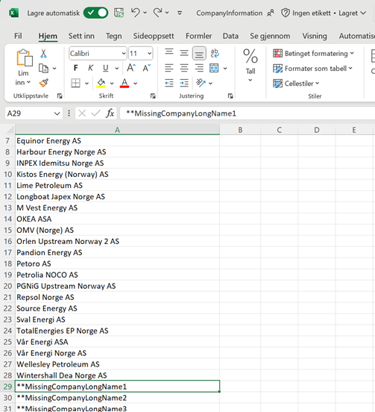
Under "O, P, O/P" må deltakerne i søknaden velge fra disse tre alternativene som kan velges i listen. Merk at O/P viser til at selskapet ikke har noen sterke preferanser for operatørskap eller partnerrolle. Under "Participation share [%]" må selskapene angi størrelsen på deltakerandelene som primært foretrekkes, samt en øvre og nedre grense som søkeren kan akseptere i et intervall mellom 0,00001 og 100 %. Andelene må være i overensstemmelse med andeler oppgitt i søknadsbrev fra hvert selskap. Nedre og øvre andel oppgis ikke for tilleggsareal, da det forutsettes at de tilsvarer andelene i moderlisensen.

Hvordan sette inn en Application: 1. Velg en Application rad (radene 10-14 i eksempelet under) 2. Høyreklikk og velg "Kopier" fra menyen 3. Velg den første raden i neste Application (rad 16 i eksemplet under) 4. Høyreklikk og velg "Sett inn kopierte celler" fra menyen Hvordan slette en Application: 1. Velg en tom Application rad (rad 10-14 i eksemplet under) 2. Høyreklikk og velg "Slett" fra menyen

Hvordan sette inn eller slette en Participant: 1. Velg en tom Participant rad (rad 13 i eksemplet under) 2. Høyreklikk og velg "Sett inn" eller "Slett" fra menyen

